max rates
For all other organisations, the following maximum rates for eligible gross annual salaries apply for persons in employment:
a. Project manager and deputy; experienced scientist: CHF 220,500
b. Scientific officer: CHF 126,000
c. Specialist assistant: CHF 113'400
d. Doctoral student and auxiliary: CHF 85'100
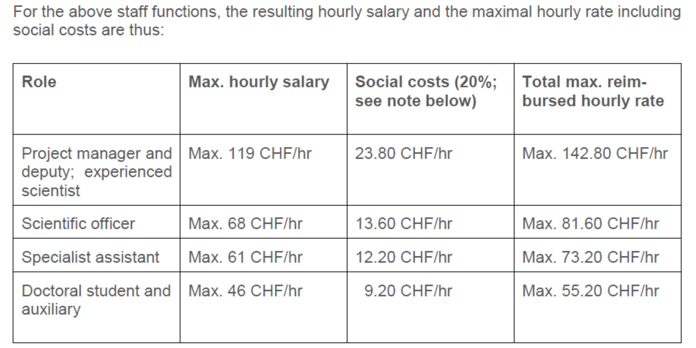

A maximum hourly rate of CHF 200 (incl. all taxes and VAT) applies to external persons who are commissioned within the scope of the functional costs and needed for the provision of specific services, or to provide specialist com-petences that do not exist within the Leading House (e.g. IP experts, consultancies, design thinking workshops, etc.). If higher rates are claimed, the Leading House must also prove that these are in line with the market and bring the corresponding added value

